Sheet1
ERI Streamlyne Proposal Routing Deadline Calculator

Instructions for use:
a)Please choose your proposal level ( Level1, Level 2, Level3, and Level 4) in "level of service" box by taking reference of the below "pre-award services" levels.
b) If sponsor Deadline is on weekends, please enter the deadline as the Friday before the weekend deadline in the below orange box
b) The date format can be entered as MM/DD/YYYY. And the deadliens for implementing proposals already excluded holidays and the days OSPA closed.
1) Enter the submission deadline ( Target or Receipt) here: |  |  | 2024-02-09

2)Deadline for implementing based on proposal due date ( auto-populate) |  | Level of Service | Dates
 | Deadlines for PI to contact ERI: | Level 1 | 2024-01-19 | Level 1 | 2024-01-19
 | When you choose "level of service", please take reference the below pre-award services for different levels |  |  | Level 2 | 2024-01-04
 |  |  |  | Level 3 | 2023-12-20
 |  |  |  | Level 4 | 2023-11-29
 | OSPA Streamlyne Routing Deadlines
 | Initial routing ( budget) 8 days in advance |  | 2024-01-30
 | Final routing ( PI signature) 3 days in advance |  | 2024-02-06

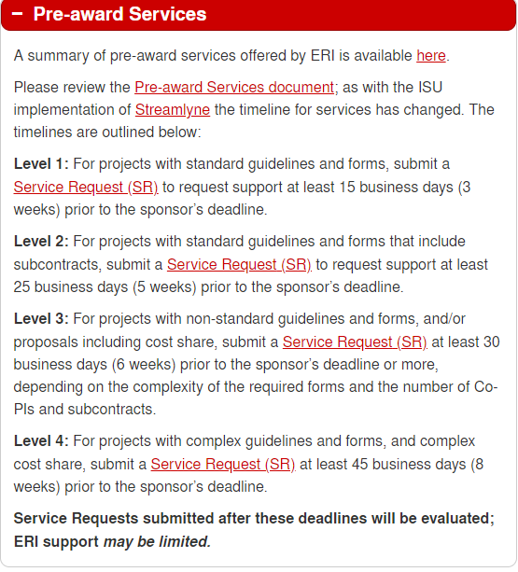
Holidays/OSPA Closed
2023-09-04 | Holiday
2023-11-23 | Holiday
2023-11-24 | Holiday
2023-12-25 | Holiday
2023-12-26 | Holiday
2023-12-27 | OSPA Closed
2023-12-28 | OSPA Closed
2023-12-29 | OSPA Closed
2024-01-01 | Holiday
2024-01-15 | Holiday
2024-05-27 | Holiday
2024-07-04 | Holiday
2024-09-02 | Holiday
2024-11-28 | Holiday
2024-11-29 | Holiday
2024-12-23 | OSPA Closed
2024-12-24 | Holiday
2024-12-25 | Holiday
2024-12-26 | OSPA Closed
2024-12-27 | OSPA Closed
2025-01-01 | Holiday

